Communication Management Plan
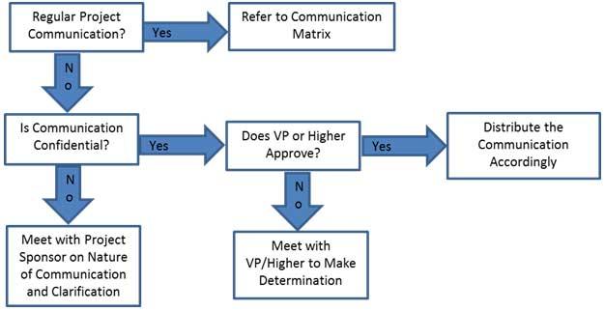
Group 1 : Rashmi Dhar, Swati, Sanyogita, Phani, Arvind & Sreenivas

COMMUNICATION MANAGEMENT PLAN FOR CONSTRUCTION INDUSTRY.

Communication Type | Objective of Communication | Medium | Frequency | Audience | Owner | Input / Deliverable | Format
Kickoff Meeting | Introduce the project team and the project. Review project objectives and management approach. | · Face to Face | Once | · Project Sponsor | Project Manager | · Agenda | · Soft copy archived on project SharePoint site and project web site
 |  |  |  | · Project Team |  | · Meeting Minutes
 |  |  |  | · Stakeholders
Project Team Meetings | Review status of the project with the team. | · Face to Face | Weekly | · Project Team | Project Manager | · Agenda | · Soft copy archived on project SharePoint site and project web site
 |  | · Conference Call |  |  |  | · Meeting Minutes
 |  |  |  |  |  | · Project schedule
Technical / Design Review Meetings | Discuss and develop technical design solutions for the project. | · Face to Face | As Needed | · Project Technical Staff | Technical Lead | · Agenda | · Soft copy archived on project SharePoint site and project web site
 |  |  |  |  |  | · Meeting Minutes
Monthly Project Status Meetings | Report on the status of the project to management. | · Face to Face | Monthly | · PMO | Project Manager | · Slide updates | · Soft copy archived on project SharePoint site and project web site
 |  | · Conference Call |  |  |  | · Project schedule
Project Status Reports | Report the status of the project including activities, progress, costs and issues. | · Email | Monthly | · Project Sponsor | Project Manager | · Project Status Report | · Soft copy archived on project SharePoint site and project web site
 |  |  |  | · Project Team |  | · Project schedule
 |  |  |  | · Stakeholders
 |  |  |  | · PMO

